Table 1
Empirical Bayes Shrinkage Estimates of State Supplemental Nutrition Assistance Program Participation Rates: Fiscal Year 2018 to Fiscal Year 2020
Final Report
August 2023


Nondiscrimination Statement In accordance with federal civil rights law and U.S. Department of Agriculture (USDA) civil rights regulations and policies, the USDA, its Agencies, offices, and employees, and institutions participating in or administering USDA programs are prohibited from discriminating on the basis of race, color, national origin, sex (including gender identity and sexual orientation), religious creed, disability, age, political beliefs, or reprisal or retaliation for prior civil rights activity. Program information may be made available in languages other than English. Persons with disabilities who require alternative means of communication for program information (e.g., Braille, large print, audiotape, American Sign Language) should contact the agency where they applied for benefits. Individuals who are deaf, hard of hearing or have speech disabilities may contact USDA through the Federal Relay Service at (800) 877-8339. To file a program discrimination complaint, a Complainant should complete a Form AD-3027, USDA Program Discrimination Complaint Form which can be obtained online at https://www.usda.gov/sites/default/files/documents/ad-3027.pdf, from any USDA office, by calling (833) 620-1071, or by writing a letter addressed to USDA. The letter must contain the complainant’s name, address, telephone number, and a written description of the alleged discriminatory action in sufficient detail to inform the Assistant Secretary for Civil Rights (ASCR) about the nature and date of an alleged civil rights violation. The completed AD-3027 form or letter must be submitted to:
1. mail: Food and Nutrition Service, USDA 1320 Braddock Place, Room 334 Alexandria, VA 22314; or 2. fax: (833) 256-1665 or (202) 690-7442; or 3. email: FNSCIVILRIGHTSCOMPLAINTS@usda.gov
USDA is an equal opportunity provider, employer, and lender.
Empirical Bayes Shrinkage Estimates of State Supplemental Nutrition Assistance Program Participation Rates: Fiscal Year 2018 to Fiscal Year 2020 Final Report
August 2023 Karen Cunnyngham, Mathematica
Submitted to: U.S. Department of Agriculture Food and Nutrition Service 1320 Braddock Place Alexandria, VA 22314 Project Officer: Kameron Burt Contract Number: 12-3198-22-F-0020 | Submitted by: Mathematica 1100 1st Street, NE, 12th Floor Washington, DC 20002-4221 Telephone: (202) 484-9220 Project Director: Joshua Leftin Reference Number: 51466.400
Suggested citation Cunnyngham, Karen. “Empirical Bayes Shrinkage Estimates of State Supplemental Nutrition Assistance Program Participation Rates: Fiscal Year 2018 to Fiscal Year 2020.” Prepared by Mathematica, Contract No. 12-3198-22-F-0020. U.S. Department of Agriculture, Food and Nutrition Service, Office of Policy Support, August 2023.
Disclaimer The findings and conclusions in this report are those of the authors and should not be construed to represent any official USDA or U.S. Government determination or policy.

This page has been left blank for double-sided copying.
Acknowledgements This report was prepared by Karen Cunnyngham of Mathematica for the U.S. Department of Agriculture’s Food and Nutrition Service (FNS), Office of Policy Support. Allen Schirm, Laura Castner, and Amang Sukasih made substantial contributions to previous reports in this series. The author thanks Joshua Leftin, Mia Monkovic, Effie Metropoulos, Carol Soble, Margaret Hallisey, and Cindy Castro from Mathematica for their contributions to this report, and Kameron Burt and Aja Weston from FNS for providing guidance and review.
This page has been left blank for double-sided copying.
Executive Summary ix I. Introduction 1 II. A Step-by-Step Guide to Deriving State Estimates 7 A. From CPS ASEC data and SNAP administrative data, derive direct estimates of State SNAP participation rates 7 B. Using a regression model, predict State SNAP participation rates based on administrative, ACS, and other data 7 C. Using shrinkage methods, average the direct estimates and regression predictions to obtain preliminary shrinkage estimates of State SNAP participation rates 9 D. Obtain final shrinkage estimates of State SNAP participation rates and number of eligible people 9 III. State Estimates of SNAP Participation Rates and Number of Eligible People 11 References 17 Appendix A The Estimation Procedure: Additional Technical Details 19 Appendix B Data for Figures in Cunnyngham 2023 53
Tables
III.1 Final shrinkage estimates of SNAP participation rates and number of people eligible for SNAP 12 III.2 Approximate 90 percent confidence intervals for final shrinkage estimates for FY 2018 13 III.3 Approximate 90 percent confidence intervals for final shrinkage estimates for FY 2019 14 III.4 Approximate 90 percent confidence intervals for final shrinkage estimates for FY 2020 15 A.1 Number of people receiving SNAP benefits, monthly average 35 A.2 Estimated percentage of participants who are correctly receiving benefits and eligible under federal SNAP rules 36 A.3 Estimated number of participants who are correctly receiving benefits and income eligible under federal SNAP rules, monthly average 37 A.4 Estimated percentage of people eligible for SNAP 38
A.5 Directly estimated number of people eligible for SNAP 39 A.6 CPS ASEC population estimate 40 A.7 State population on July 1 41 A.8 Direct estimates of SNAP participation rates and standard errors 42 A.9 Potential predictors 43 A.10 Predictors in current model 44 A.11 Values for first and second predictors 45 A.12 Values for third and fourth predictors 46 A.13 Values for fifth and sixth predictors 47 A.14 Values for seventh and eighth predictors 48 A.15 Regression estimates of SNAP participation rates, with standard errors 49 A.16 Preliminary shrinkage estimates of SNAP participation rates 50 A.17 Final shrinkage estimates of SNAP participation rates, with standard errors 51 A.18 Final shrinkage estimates of number of people eligible for SNAP, with standard errors 52 B.1a How many people were eligible in 2020? What percentage participated? (States) 55 B.1b How many people were eligible in 2020? What percentage participated? (Regi

Exhibits
I.1 Example of a regression estimator 3 I.2 Shrinkage estimation 5 II.1 The estimation procedure 8 A.1 Algorithm to identify households with earnings 23 A.2 Direct estimates of national totals and adjustment factors 32 A.3 Estimated participation rates higher than 100 percent 33
This page has been left blank for double-sided copying.
Executive Summary The Supplemental Nutrition Assistance Program (SNAP) provides nutrition assistance to eligible individuals and households in need. SNAP is the largest of the domestic nutrition assistance programs administered by the Food and Nutrition Service of the U.S. Department of Agriculture. During fiscal year 2022, the program served 41 million people in an average month, providing over $114 billion in benefits annually. This report presents estimates of the program’s effectiveness at reaching its target population in each State and the District of Columbia for fiscal years 2018 to 2020. The program’s effective reach is measured by estimated SNAP participation rates, or the percentage of eligible people who actually participate in the program. The COVID-19 public health emergency affected the quality of the data used to estimate SNAP participation rates starting in March 2020. As a result, the fiscal year 2020 participation rates were estimated only for the pre-pandemic period of October 2019 through February 2020. Because of the smaller sample size for fiscal year 2020, this report does not present estimates of State SNAP participation rates for eligible people who lived in a household with someone who earned income from a job, as did earlier reports in this series. However, to maintain consistency with estimates for earlier years, the report used estimates for people in households with earnings along with estimates of all eligible people to derive this report’s final shrinkage estimates. The State participation rate estimates for all eligible people were derived by using empirical Bayes shrinkage estimation methods and data from the Current Population Survey Annual Social and Economic Supplement (CPS ASEC), the American Community Survey (ACS), and administrative records. The shrinkage estimator averaged direct estimates of participation rates with predictions from a regression model. The regression predictions were based on observed indicators of socio

This page has been left blank for double-sided copying.
I. Introduction The Supplemental Nutrition Assistance Program (SNAP) provides nutrition assistance to eligible individuals and households that are in need of this assistance. SNAP is the largest of the domestic nutrition assistance programs administered by the Food and Nutrition Service (FNS) of the U.S. Department of Agriculture (USDA). During fiscal year (FY) 2022, the program served 41 million people in an average month, providing over $114 billion in benefits annually. This report presents estimates that measure the program’s effectiveness at reaching its target population in each State and the District of Columbia for FY 2018 to FY 2020. Cunnyngham (2023) also reports the estimates presented here and compares them with one another. The program’s effective reach is measured by estimated SNAP participation rates—the percentage of eligible people who actually participate in the program. The COVID-19 public health emergency affected the quality of the data used to estimate SNAP participation rates starting in March 2020. Accordingly, the FY 2020 participation rates are estimates only for the pre-pandemic period of October 2019 through February 2020. Given the smaller sample size for FY 2020, this report does not include estimates of State SNAP participation rates for people in households with earnings as did earlier reports in this series. However, to maintain consistency with estimates for earlier years, this report uses estimates for people in households with earnings along with estimates of all eligible people to derive the final shrinkage estimates presented here. We derived estimates for each State in each of the three fiscal years by using empirical Bayes shrinkage estimation methods. Specifically, we used a shrinkage estimator that optimally averaged direct estimates of SNAP participation rates with predictions from a regression model. We obtained the direct estimates (1) by applying SNAP eligibility rules to households in the Current Population Survey

U.S. Census Bureau data The Current Population Survey (CPS) is conducted monthly for the Bureau of Labor Statistics and is the primary source of current inf ormation on the labor force characteristics of the U.S. population. The CPS Annual Social and Economic Supplement includes additional data on work experience, income, and noncash benef its and is based on a sample size of just under 100,000 households. The American Community Survey (ACS) is conducted monthly in every county, American Indian and Alaska Native Area, Hawaiian Home Land, and Puerto Rico. Designed to replace the decennial census long form, it collects economic, social, demographic, and housing inf ormation on about 3 million households annually. The Census Bureau develops annual population estimates by using decennial census population estimates along with administrative records and other data on births, deaths, net domestic migration, and net international migration. More inf ormation on these data sources is available at http://www.census.gov.
Direct estimates. The principal challenge in deriving State estimates such as those presented in this report is the small sample size of the CPS ASEC. The optimal survey for estimating State SNAP eligibility (1) would be based on a large sample for all States, (2) would be representative at the State level, and (3) would contain detail on the household relationships and income sources needed to estimate program eligibility. Among the three leading surveys, the CPS ASEC comes closest to meeting these standards despite its small sample size for most States. Another national household survey, the Survey of Income and Program Participation, contains more detail on relationships and income than the CPS ASEC, but it is not representative at the State level (and is based on even smaller State samples than the CPS ASEC). The third candidate, the ACS, is much larger than the CPS ASEC, but it has fewer details on relationships and income sources. In addition, unlike the CPS ASEC’s fixed reference period of the previous calendar year for all households, the ACS’s reference period is the previous 12 months and therefore varies across households by up to a year, depending on when respondents completed the survey. For these reasons, we use the CPS ASEC to estimate SNAP eligibility. However, for many States, estimates of SNAP eligibility and participation rates based solely on the CPS ASEC sample for the State and time period in question, or “direct” estimates, are imprecise. For example, to directly estimate the number of people in Tennessee who were eligible for SNAP in FY 2020, we used only FY 2020 CPS ASEC data on households from Tennessee. Given the potential errors introduced by the CPS ASEC surveying a small number of families in Tennessee, we can be confident—by a commonly used standard, a 90 percent confidence interval—that Tennessee’s SNAP participation rate in FY 2020 ranged between about 71 and 89 percent. This range is wide, although typical, reflecting our substanti

Exhibit I.1. Example of a regression estimator
Not surprisingly, the graph suggests that prevalence and participation rates are systematically associated. States with higher percentages of all people participating in SNAP tend to have higher percentages of eligible people participating in the program, although the relationship is far from perfect. To measure the relationship between prevalence and participation rates and derive predictions, we can use a technique called “least squares regression” to draw a line through the triangles. Regression estimates of participation rates are points on that line, as indicated by the circles in Exhibit I.1. The predicted participation rate for a particular State is obtained by moving up or down from the State’s direct sample estimate (the triangle) to the regression line (where there is a circle) and reading the value from the vertical axis. For example, the regression estimator predicts a participation rate of just under 60 percent for both States with prevalence rates of about 5.5 percent. In contrast, for the State with a prevalence rate of about 9.5 percent, the predicted participation rate is nearly 70 percent.
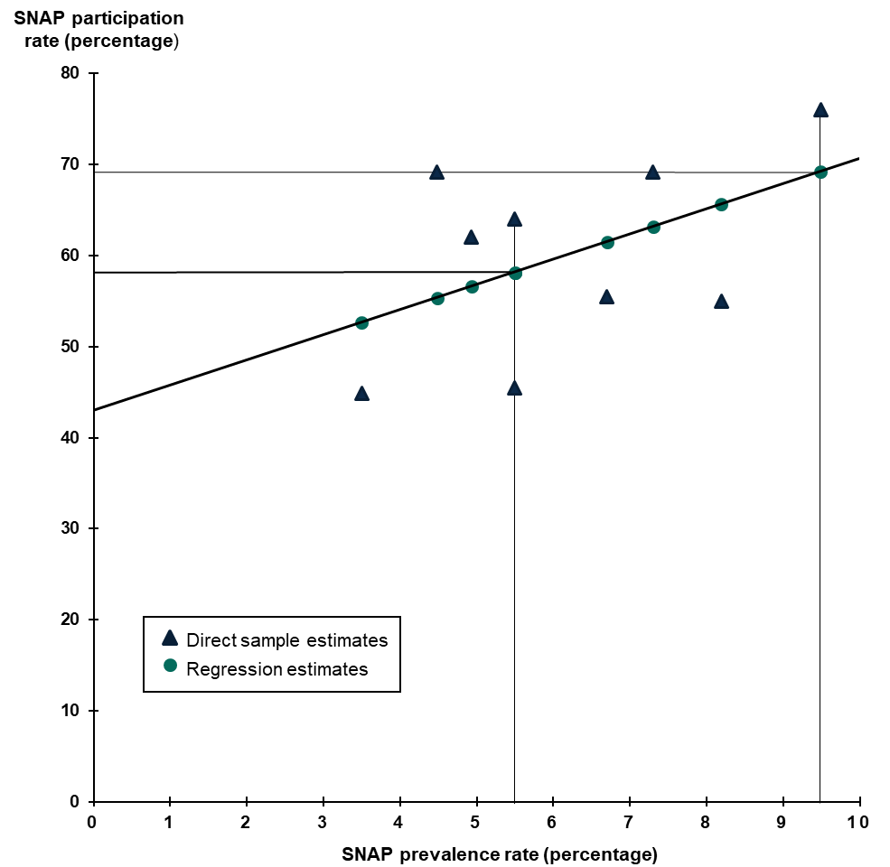

Comparison of direct and regression estimators. A comparison of how the direct and regression estimators use data illustrates how the regression estimator borrows strength to improve precision. With Tennessee as an example again, we used only one year of CPS ASEC sample data from the State to estimate Tennessee’s participation rate in that year. To derive regression estimates, we estimated a regression line from sample, administrative, and ACS data for several years and all the States and used the estimated line (with administrative and ACS data for Tennessee) to predict Tennessee’s participation rate in a given year. In other words, the regression estimator not only uses the direct estimates from every State for several years to develop a regression estimate for a single State in a single year, but it also incorporates data from outside the sample—namely, data in administrative records systems and the ACS. To improve precision even further, the estimator borrows strength across groups—all eligible people and people in households with earnings—by deriving estimates for the groups jointly. The regression estimator can improve precision by using additional data to identify States with direct estimates that seem too high or too low because of sampling error (error from drawing a sample of the population that has a higher or lower participation rate than does the entire State population). For example, when a State has a low SNAP prevalence rate and values for other predictors that are consistent with a low SNAP participation rate, our regression estimator will predict a low participation rate for that State. If the direct estimate for that State is high, the regression estimate will be lower than the direct estimate. On the other hand, if the sample data for a State show a lower participation rate than expected in light of the SNAP prevalence rate and the other predictors, the regression estimate for that State will be higher than the direct estimate. A limitation of

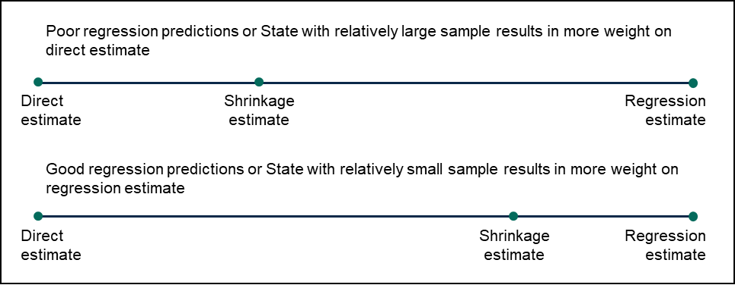
estimator may be substantially less biased than the regression estimator. The shrinkage estimator optimizes the trade-off between imprecision and bias.
Exhibit I.2. Shrinkage estimation

This page has been left blank for double-sided copying.
II. A Step-by-Step Guide to Deriving State Estimates Here, we describe our procedure for estimating State SNAP participation rates and the number of people eligible for SNAP benefits. The procedure, summarized by the flowchart in Exhibit II.1, involves the following four steps: 1. From CPS ASEC data, SNAP administrative data, and population estimates, derive direct estimates of State SNAP participation rates 2. Using a regression model and the direct estimates derived in Step 1, predict State SNAP participation rates based on SNAP administrative, individual income tax, and ACS data and population estimates 3. Using a shrinkage estimator, average the direct estimates from Step 1 and the regression predictions from Step 2 to obtain preliminary shrinkage estimates of State SNAP participation rates 4. Obtain final shrinkage estimates of State SNAP participation rates by using national estimates of eligible people derived from the CPS ASEC to adjust the preliminary shrinkage estimates from Step 3 We describe each step in the remainder of this chapter, with additional technical details in Appendix A.
A. From CPS ASEC data and SNAP administrative data, derive direct estimates of State SNAP participation rates A SNAP participation rate is obtained by dividing an estimate of the number of people participating in SNAP by an estimate of the number of people eligible for SNAP, with the resulting ratio expressed as a percentage. We used SNAP QC data to estimate numbers of participants in an average month in the fiscal year and CPS ASEC data to estimate numbers of eligible people in an average month. Because the CPS ASEC collects income data for the previous calendar year, we obtained estimates of eligible people in a fiscal year by using two years of CPS ASEC data. For example, we used the 2020 CPS ASEC to estimate SNAP eligibility for October to December 2019 and the 2021 CPS ASEC to estimate SNAP eligibility for January and February 2020. (We restricted the FY 2020 estimates to October 2019 through February 2020 because of SNAP QC data limitations beginning in March 2020.) Appendix A presents direct estimates and their standard errors in each State for each of the three fiscal years.
B. Using a regression model, predict State SNAP participation rates based on administrative, ACS, and other data To derive regression estimates for the three fiscal years, we included all States, not just nine as in our example in Chapter 1, and we used eight predictors, not just one. The eight predictors used for the estimates in this report measure the following: 1. Percentage of the population that received SNAP benefits according to administrative data and population estimates 2. Percentage of people age 65 and older who received Supplemental Security Income according to administrative records and population estimates 3. Percentage of families that had income below $20,000 in the past 12 months according to ACS one- year estimates 4. Percentage of people age 25 and older who completed a bachelor’s degree according to ACS one-year estimates
5. Percentage of people age 65 and older who had household income below 100 percent of the federal poverty level according to ACS one-year estimates 6. Percentage of the civilian employed population age 16 and older that were private wage and salary workers according to ACS one-year estimates 7. Percentage of exemptions for children claimed on tax returns that had adjusted gross income below the federal poverty level 8. Indicator of whether a State had a resource test because it either did not have a broad-based categorical eligibility (BBCE) policy or included a resource test in its BBCE policy
Exhibit II.1. The estimation procedure
CPS ASEC = Current Population Survey Annual Social and Economic Supplement; SNAP = Supplemental Nutrition Assistance Program; ACS = American Community Survey. These eight predictors were selected as the best from a longer list in Table A.9, which provides complete definitions and sources for the predictors. The first, fourth, and sixth predictors were included in the model that estimated rates for fiscal years 2017 to 2019. However, data for some previously used
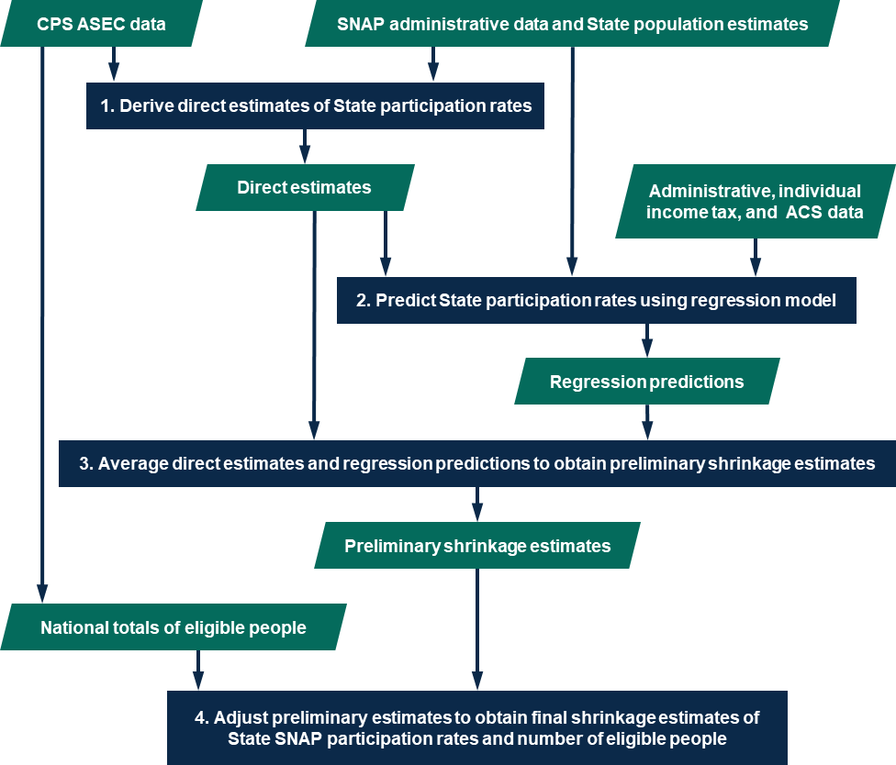

predictors were not available for 2020, including the percentage of children age 17 and younger with household income below 50 percent of the federal poverty level and the percentage of individuals age 65 and older with household income below 125 percent of the federal poverty level according to ACS one- year estimates. We developed new potential predictors to replace some of those that were no longer available. New predictors used in our model include the percentage of families with income below $20,000 in the past 12 months and the percentage of individuals age 65 and older with household income below 100 percent of the federal poverty level according to ACS one-year estimates and the indicator of whether a State had a resource test. The regression equations do not express causal relationships. Rather, they imply only statistical associations. For this reason, predictors are often called “symptomatic indicators.” They are symptomatic of differences among States in conditions associated with higher or lower participation rates. Appendix A presents the regression estimates and their standard errors. The standard errors tend to be fairly equal across the States and much smaller than the largest standard errors for direct estimates, reflecting substantial gains in precision from regression for States with the most error-prone direct estimates.
C. Using shrinkage methods, average the direct estimates and regression predictions to obtain preliminary shrinkage estimates of State SNAP participation rates To derive preliminary estimates of State SNAP participation rates, we used an empirical Bayes shrinkage estimator to average the direct estimates calculated in Step 1 and the regression predictions from Step 2. (Appendix A describes the empirical Bayes methods we used.) We call the estimates from this step preliminary because we make some adjustments to them in the next step. Appendix A presents the preliminary shrinkage estimates of State SNAP participation rates.
D. Obtain final shrinkage estimates of State SNAP participation rates and number of eligible people We adjusted the preliminary shrinkage estimates of participation rates in two ways. First, we adjusted the rates so that the counts of eligible people implied by the rates sum to the national count of eligible people estimated directly from the CPS ASEC. Second, we adjusted the rates so that no State’s estimated rate exceeded 100 percent. We carried out these adjustments separately for each year; the following description of the adjustments focuses on the FY 2020 estimates. In Appendix A, we describe the results of the adjustments for other years and discuss our adjustment method in more detail. To implement the first adjustment, we calculated preliminary estimates of the number of eligible people from the preliminary estimates of participation rates derived in Step 3 and the administrative estimates of the number of SNAP participants obtained in Step 1. For FY 2020, the State estimates of eligible people summed to 43,379,354, whereas the national total estimated directly from the CPS ASEC was 42,185,669. To obtain estimated numbers of eligible people for States that sum (aside from rounding error) to the direct estimate of the national total, we multiplied each of the State preliminary estimates of eligible people by the ratio of 42,185,669 divided by 43,379,354, or 0.9725. Such benchmarking of estimates for smaller areas to a relatively precise estimated total for a larger area is common practice. (See, for example, Doppelt and Haley [2020] for a discussion of the Bureau of Labor Statistics benchmarking of the Current Employment Statistics.)
After carrying out this first adjustment, five States—Illinois, New Mexico, Oregon, Pennsylvania, and Rhode Island—had fewer estimated eligible people than estimated eligible participants in FY 2020, incorrectly implying participation rates over 100 percent. To cap participation rates at 100 percent, we performed a second adjustment. Specifically, we increased the number of eligible people in Illinois, New Mexico, Oregon, Pennsylvania, and Rhode Island so that the number of eligible people in those States equaled the number of participants. We reduced the number of eligible people in the other 45 States and the District of Columbia by an equivalent number and in proportion to their number of eligible people. The adjustment, which moved small numbers of eligible people among States, did not change the national total or State rankings. Moreover, except for the States with participation rates initially higher than 100 percent, the adjustment did not change any State’s participation rate by more than half a percentage point. Applying this adjustment, we obtained our final shrinkage estimates of the number of people eligible for SNAP. From those estimates and our administrative estimates of the number of SNAP participants, we derived final shrinkage estimates of participation rates. We present those estimates in the next chapter.
III. State Estimates of SNAP Participation Rates and Number of Eligible People In Table III.1, we present our final shrinkage estimates of SNAP participation rates and the number of people eligible in each State for FY 2018 to FY 2020. The shrinkage estimates are relatively precise; they have much smaller standard errors and narrower confidence intervals than the CPS ASEC direct estimates. In Tables III.2 through III.4, we show approximate 90 percent confidence intervals showing the uncertainty remaining after using shrinkage estimation to derive the estimates in Table III.1. One interpretation of a 90 percent confidence interval is that there is a 90 percent chance that the true value— that is, the true participation rate or the true number of eligible people—falls within the estimated bounds. For example, although our best estimate is that Tennessee’s participation rate was 84 percent in FY 2020 (Table III.1), the true rate may have been higher or lower. However, according to Table III.4, the chances are 90 in 100 that the true rate was between 79 and 89 percent, an interval that is 41 percent narrower than the interval (71 and 89 percent, as cited in Chapter I) around the direct estimate. A narrower interval means we are less uncertain about the true value. On average, shrinkage confidence intervals for FY 2020 participation rates for all eligible people were 41 percent narrower than the corresponding direct confidence interval. Thus, shrinkage estimation substantially improves precision and reduces our uncertainty. Despite the impressive gains in precision, substantial uncertainty about the true participation rates for some States remains even after application of shrinkage methods. Nevertheless, as discussed in Cunnyngham (2023), the shrinkage estimates are sufficiently precise to show, for example, whether a State’s SNAP participation rate was probably near the top, near the bottom, or in the middle of the distribution of rates in a given year. That is enoug

Table 7
N
1,i i
where | Z1,i is the CPS ASEC estimate of the number of eligible people, and |  |  |  | Ni is the CPS ASEC
estimate of the population. Estimated percentages are more precise than estimated counts because the sampling errors in the numerators and denominators of percentages tend to be positively correlated and therefore partially cancel each other out. We derived SNAP eligibility estimates (Z1,i ) by applying SNAP rules to CPS ASEC households. However, some key information needed to determine whether a household is eligible for SNAP is not collected in the CPS ASEC. For example, there are no data on resources or expenses deductible from gross income. Also, it is not possible to ascertain directly which members of a dwelling unit purchase and prepare food together or which members may be categorically ineligible for SNAP. Yet another limitation is that only annual, rather than monthly, income amounts are recorded. We have developed methods, described in Vigil (2022), to address these data limitations. These methods include procedures for identifying the members of the SNAP household within the (potentially) larger CPS ASEC household, taking into account the restrictions on participation by noncitizens, distributing annual amounts across months, and imputing net income. Vigil (2022) also describes how we applied SNAP gross and net income tests and calculated the benefits an eligible household would qualify for. Because our focus in this document is on participation by people who were eligible for SNAP, these estimates of SNAP eligibility counts and participation rates do not include people who were not legally entitled to receive SNAP benefits, such as Supplemental Security Income recipients in California who received cash in lieu of SNAP benefits before June 2019. It might be useful in other contexts, however, to consider participation rates among those eligible for SNAP or a cash substitute. To derive fiscal year estimates of eligibility, we combined two years of the CPS ASEC. For example, to estimate Z1,i for FY 2020, we used data from the 2020 CPS ASEC (simulati

(4) |  | Y = 100 Pi (ε 2,i / 100) ,
2,i |  |  | (E 2,i | / 100)Ti

Table 8
N
(5) |  |  |  mi,hε2,i,h ε  100 h ,
2,i |  |  |  |  |  mi,h
and |  | (6) |  | h E = 100 Z2,i ,
2,i i
where Y2,i | is the estimated participation rate for people in households with earnings for State i; ε 2,i is the
percentage of SNAP participants who are in households with earnings, correctly receiving SNAP benefits,
and eligible under federal SNAP rules according to SNAP QC data; E2,i is the percentage of people who
are in households with earnings and eligible for SNAP according to the CPS ASEC; Z2,i is the CPS
ASEC estimate of the number of eligible people in households with earnings, and Ni are as defined in the opening paragraphs of this appendix.. |  |  |  |  |  | Pi , Ti , h, mi,h , and
We defined households with earnings as those that were eligible for SNAP and had a member who earned money from a job. People in households with earnings were identified slightly differently in the SNAP QC data than in the CPS ASEC. Specifically, a participant household was identified as having earnings if the household had earned income according to the edited SNAP QC data file or, before editing, had multiple indicators of earnings that suggested a household was likely to have a member who worked. Exhibit A.1 describes the algorithm that identified households with earnings, and Cronquist et al. (2022) describe the procedure for editing the SNAP QC data. An eligible household with earnings in the CPS ASEC was identified only on the basis of earnings.
Exhibit A.1. Algorithm to identify households with earnings

Households with earnings are defined with one of the following criteria: 1) Earnings in the edited SNAP QC data 2) Multiple indicators of earnings in the unedited SNAP QC data a) At least one person with earned income AND i) An earned income deduction or a workforce participation variable indicating employment OR ii) Earned and unearned income that sum to total income, or earned income with the earned income ded uction already subtracted that, with unearned income, sums to the total income (some States subtract the earned income ded uction from income deemed by an ineligible member before recording it on the file) b) An earned income deduction AND i) At least one person with a workforce participation variable indicating employment OR ii) Earnings implied by the earned income deduction and unearned income that sum to total income OR iii) Gross income that is more than the earned income implied by the earned income deduction, and both unearned and earned income equal zero (to account for household records that have no recorded individual income amounts but do have what appear to be consistent household-level indicators)

Table 9
Sampling variances. In addition to our point estimates of participation rates, we need estimates of their
sampling variability. We estimated the variances of Y1,i and Y2,i as follows:
(7) var(Y1,i ) = variance due to E1,i when ε1,i is fixed  variance due to ε1,i when E1,i is fixed
= varE |ε (Y1,i )  varε |E (Y1,i )
and | 1 1 1 1
(8) var(Y2,i ) = variance due to E2,i when ε2,i is fixed  variance due to ε2,i when E2,i is fixed
2 2
2 2
= varE |ε (Y2,i )  varε |E (Y2,i ).
When a variable is held fixed, we fix it at its point estimate. Note that covariance terms are not needed
because the estimates of E1,i and ε1,i , and the estimates of E2,i and ε 2,i , are based on independent samples.
For a given year, we estimated |  |  |  |  | varE1|ε1 (Y1,i ) |  |  | and |  |  | varE2 |ε 2 (Y2,i ) using a replication method called the
4
Successive Difference Replication Method (SDRM) with 160 replicate weights developed by the U.S. Census Bureau for the CPS ASEC (U.S. Census Bureau 2006), resulting in the following formulas:
160 2
1 1
(9) varE |ε (Y1,i ) = 160 (Y1,i (r )  Y1,i )
∑
and |  | (10) var (Y |  |  |  |  |  |  |  | r = 1 4 160 ) = (Y |  |  |  |  |  | − Y )2 ,
E2 |ε2 |  |  |  |  |  |  |  |  | 2,i |  |  | 160 | r = 1 |  | 2,i (r ) 2,i
Where Y1,i (r ) and Y2,i (r ) are the rth (r  1,…,160) replicate estimate with the same form as Y1,i and Y2,i ,
respectively, and calculated using the rth set of replicate weights. The replicate estimates Y1,i (r ) are
obtained by replicating |  |  | E1,i : |  |  | (11) |  |  | Z E = 100 1,i (r )
and |  |  |  | 1,i(r) |  |  |  |  |  |  |  |  |  | Ni (r )
Pi (ε1,i / 100)
(E
(12) |  |  |  |  |  |  | Y1,i (r ) = 100 1,i (r ) |  |  |  |  |  |  |  | . / 100)Ti
Similarly, the replicate estimates Y2,i (r ) |  |  |  |  |  |  | are obtained by replicating |  |  |  |  |  |  |  |  |  | E2,i :
(13) |  |  |  |  |  |  |  |  | Z E = 100 2,i (r )
and |  |  |  | 2,i(r) |  |  |  |  |  |  |  |  |  | Ni (r )

Table 10
(E
Pi (ε2,i / 100)
(14) |  |  |  |  |  |  |  | Y2,i(r ) = 100 2,i(r ) |  |  |  |  |  |  |  | . / 100)Ti
Rates for correctly eligible participants are also subject to sampling error, although this sampling error is small relative to other sources of error in the estimated participation rates. Based on Equation (1) and
Equation (4), respectively, we can estimate |  |  |  |  |  |  |  |  |  | varε1|E1 (Y1,i ) and |  |  |  |  |  |  | varε2 |E2 (Y2,i ) according to these formulas:
⎜ ⎟
2  P 
1 1
(15) varε |E |  |  |  |  |  |  |  |  |  | (Y1,i |  |  |  | ) = 100 i TE |  |  |  | var(ε | 1,i )
and |  |  |  |  |  |  i 1,i  2  P 
⎜ ⎟
(16) varε |  |  |  |  |  |  |  | 2 |E2 |  | (Y2,i |  |  |  | ) = 100 i TE |  |  |  | var(ε | 2,i ) ,
 i 2,i 
because | P1,i | and Ti |  |  | are constants (or, at least, subject to negligible sampling variability), and |  |  |  |  |  |  |  |  |  |  |  |  |  |  | E1,i | and
E2,i are held fixed at their point estimates.
To calculate var(ε 1,i ) and var(ε 2,i ) , we constructed 500 bootstrap replicate weights for the SNAP QC
sample. The estimates ε1,i and ε 2,i are then replicated 500 times, each time using a set of bootstrap replicate weights:  mi,h(r )ε1,i,h
(17) |  |  |  |  |  |  | ε  100 h , r  |  |  |  |  |  |  |  |  |  |  | 1, 2, ..., 500
1,i (r ) |  |  |  |  |  |  |  |  |  mi,h(r )
and |  |  | (18) |  |  |  | h  mi,h(r )ε2i,h ε  100 h , r  |  |  |  |  |  |  |  |  |  |  | 1, 2, ..., 500 ,
2,i (r ) |  |  |  |  |  |  |  |  |  mi,h(r )
h
∑
− ε ) ,
where mi,h(r ) is the number of people in household h times the rth replicate weight for household h. Then:
where |  |  |  | (19) var(ε |  |  |  |  |  |  | 1,i |  | )  1 500 ε 499 r1 |  |  | * 2 1,i (r ) 1,i
ε
∑
and |  |  |  |  | (20) |  |  |  |  |  |  | * 1,i |  |  |  1 500 ε 500 r 1 |  | 1,i (r )
∑
− ε ) ,
where |  |  |  | (21) var(ε |  |  |  |  |  |  | 2,i |  | )  1 500 ε 499 r1 |  |  | * 2 2,i (r ) 2,i

Table 11
ε
∑
1 2 1 2 1 2 1 2
(22) |  |  |  |  |  |  |  | * 2,i |  |  1 500 ε 500 r 1 |  |  |  |  | 2,i (r ) .
Summing the estimates from Equations (9) and (15)—as indicated by Equation (7)—and taking the square root of the sum provides an estimated standard error of the participation rate for all eligible people. Similarly, summing the estimates from Equations (10) and (16)—as indicated by Equation (8)—and taking the square root of the sum provides an estimated standard error of the participation rate for people in households with earnings. Covariances. We estimated the covariance between the estimates of participation rates for all eligible people and people in households with earnings for a given year according to: (23) cov(Y1,i ,Y2,i ) = covariance due to E1,i and E2,i when ε1,i and ε2,i are fixed  covariance due to ε1,i and ε2,i when E1,i and E2,i are fixed = covE E |εε (Y1,i ,Y2,i )  covεε |E E (Y1,i ,Y2,i ).
Note that we do not need to include additional terms because the CPS ASEC and SNAP QC samples are independent. To derive an estimate of the first term in this expression, we obtained an SDRM estimate of
the covariance due to |  | E1,i and | E2,i |  | according to:
∑
(24) cov (Y ,Y |  |  |  |  |  |  |  | 4 160 ) = (Y |  |  |  |  |  |  |  | − Y )(Y |  |  |  |  |  | − Y ) .
E1E2 |ε1ε2 |  |  |  |  |  | 1,i | 2,i |  | 160 |  |  | r = 1 |  | 1,i (r ) 1,i |  |  |  |  |  | 2,i (r ) 2,i
For the second term, we estimated the covariance due to ε1,i and ε 2,i according to:
 P  P 
1 2 1 2
(25) covεε |E E |  |  |  |  | (Y1,i | ,Y2,i | ) = 100 i 100 i cov(ε TE TE |  |  |  |  |  |  |  |  |  |  |  |  |  |  |  |  | 1,i | ,ε2,i )
where | (26) cov(ε ,ε |  |  |  )  1  |  |  |  |  |  |  | i ni  |  | 1,i  m |  |  |  | i 2 ε |  | 2,i   ε |  |  | ε |  |  | − ε .
1,i |  |  | 2,i |  | ( m )2  n 1  |  |  |  |  |  |  |  |  |  | i,h |  |  | 1,i,h |  |  | 1,i |  | 2,i,h |  |  | 2,i
 i,h  i  h h
CPS ASEC samples from different years are not independent, so participation rates for different years are correlated. (SNAP QC samples from different years are independent, so sampling variability in estimates from the CPS ASEC is the only source of intertemporal covariation between participation rates.) We derived a preliminary SDRM estimate of the correlation between Y1,i,t and Y2,i,t  g , the direct estimate for all eligible people for one year (year t) and the direct estimate for people in households with earnings for g years earlier, as follows:
⎜ ⎟⎜ ⎟

Table 12
∑
(27) cov(Y ,Y |  |  |  |  | 4 160 ) = (Y |  |  |  |  |  |  |  | − Y )(Y |  |  | − Y ) .
1,i,t |  |  |  | 2,i,t  g |  |  | 160 |  |  | r = 1 | 1,i (r ),t |  |  | 1,i,t | 2,i(r),t- g |  | 2,i,t  g
The correlation between Y1,i,t and Y2,i,t  g is
var(Y_{1,i,t} ) var(Y_{2,i,t - g} )
(28) corr(Y ,Y |  |  |  |  |  |  |  |  | cov(Y ,Y ) ) = 1,i,t 2,i,t - g .
1,i,t 2,i,t - g
To improve the precision of estimated correlations (and covariances), we used a simple smoothing technique in which we “replaced” the State-specific correlation from Equation (28) by the average correlation between Y1,i,t and Y2,i,t  g across States:
∑
∑
(29) corr(Y ,Y |  |  |  |  |  | 51 (ni,t  ni,t  g ) corr(Y1,i,t ,Y2,i,t  g ) ) = i = 1 ,
1,t 2,t  g |  |  |  |  |  |  |  |  |  | 51 (ni,t  ni,t  g ) i = 1
where | ni,t and |  | ni,t  g are the (unweighted) number of households in the CPS ASEC samples for one
var(Y_{1,i,t} ) var(Y_{2,i,t − g} )
year and g years earlier, respectively. Using this average correlation, we obtained as our final estimate of the covariance between Y1,i,t and Y2,i,t  g :
(30) cov(Y1,i,t ,Y2,i,t  g ) = corr(Y1,t ,Y2,t  g ) .
Other intertemporal covariances—such as the covariance between the participation rates for people in households with earnings in two different years—are similarly estimated. All interstate covariances equal zero because State samples are independent in both the CPS ASEC and the SNAP QC. As described under Step 3, the variances and covariances obtained in this step are the elements of a variance- covariance matrix used to derive shrinkage estimates of participation rates.
Table A.1 presents estimates of the number of people participating in SNAP (values of Pi ); Table A.2
presents the percentage of participants who are income eligible and correctly receiving SNAP benefits (values of ε 1,i ); and Table A.3 shows payment error-adjusted numbers of people receiving SNAP
benefits under normal program eligibility rules (values of |  |  |  |  |  |  |  |  |  |  |  | Pi(ε 1, i /100) ). Tables A.4, A.5, and A.6 present
CPS ASEC estimates of SNAP eligibility percentages (values of E1,i ), the number of eligible people
(values of |  | Z 1,i ), and the population (values of |  |  |  |  |  | Ni ), respectively, and Table A.7 presents the population
totals (values of Ti ). Table A.8 gives direct estimates of participation rates (values of Y1,i ) and their standard errors.
2. Using a regression model, predict State SNAP participation rates based on administrative, ACS, and other data Our regression model consisted of six equations, with three predicting SNAP participation rates for all eligible people in fiscal years 2018, 2019, and 2020, and three predicting SNAP participation rates for people in households with earnings in fiscal years 2018, 2019, and 2020. The six equations were
estimated jointly, and the values of the regression coefficients could vary from equation to equation. The predictors used were (in addition to an intercept): 1. Percentage of the population that received SNAP benefits, according to administrative data and population estimates 2. Percentage of people age 65 and older who received Supplemental Security Income according to administrative records and population estimates 3. Percentage of families that had income lower than $20,000 in the past 12 months according to ACS one-year estimates 4. Percentage of people age 25 and older who completed a bachelor’s degree according to ACS one-year estimates 5. Percentage of people age 65 and older who had household income below 100 percent of the federal poverty level according to ACS one-year estimates 6. Percentage of the civilian employed population age 16 and older who were private wage and salary workers according to ACS one-year estimates 7. Percentage of exemptions for children claimed on tax returns that had adjusted gross income below the federal poverty level 8. Indicator of whether a State had a resource test because it either did not have BBCE policy or included a resource test in its BBCE policy For all the predictors, we used 2018 values in both equations for predicting FY 2018 rates, 2019 values in both equations for predicting FY 2019 rates, and 2020 values in both equations for predicting FY 2020 rates. Because prediction errors were allowed to be correlated and intergroup and intertemporal correlations among direct estimates were taken into account as specified in the next step, the shrinkage estimates for a group (all eligible people or people in households with earnings) in any one year were determined by the predictions and direct estimates for all three years and both groups. In addition to the predictors we selected for our model, we considered many other potential predictors, including the percentage of households with ear

Table 13
The regression equations do not express causal relationships. Rather, they imply only statistical associations. For this reason, predictors are often called “symptomatic indicators.” They are symptomatic of differences between States in conditions associated with having higher or lower participation rates. As shown in the next step, where we describe the regression estimation procedure in detail, we do not have to calculate regression estimates as a separate step, although we do have to select a best regression model before we can calculate shrinkage estimates. We selected our best model on the basis of its strong relative performance in predicting participation rates. We judged performance by examining functions of the regression residuals, such as mean squared error and the predicted residual error sum of squares (PRESS). In addition to assessing the predictive fit of alternative specifications, we checked for potential biases as part of our extensive model evaluation. To check for biases, we looked for a persistent tendency of the model to under- or overpredict the number of eligible people for certain types of States categorized by, for example, population size, region, and percentage of the population that is black or Hispanic. We found no evidence of correctable bias. Predictors considered are listed in Table A.9 and definitions, and data sources for the predictors in our chosen regression model are given in Table A.10. The values for the predictors listed above are in Tables A.11, A.12, A.13, and A.14.
3. Using shrinkage methods, average the direct estimates and regression predictions to obtain preliminary shrinkage estimates of State SNAP participation rates To average the direct estimates and the regression predictions, we used an empirical Bayes shrinkage estimator. Because the shrinkage estimator incorporates data from other years and States, a State’s shrinkage estimate in a given year does not have to fall between the direct and regression estimates for the year in question. In most cases, however, the shrinkage estimates presented in this report do fall between the direct and regression estimates. In the remaining cases, the shrinkage estimate is usually close to either the direct or regression estimate, and it is often close to both because the sample and regression estimates are close to each other. The shrinkage estimator does not have a closed-form expression from which we can calculate shrinkage estimates. Instead, we must numerically integrate over six scalar parameters for which we do not have an
exact value: σ1, σ 2 , ρ η1, η2 , and η1,2 . The parameters η1 |  | and η 2 |  |  | capture intertemporal (between-
year) correlations among regression prediction errors for all eligible people and for people in households with earnings, respectively; σ1 and σ 2 capture additional within-year variance across States. Correlations between all eligible people and people in households with earnings are parameterized by
ρ and η1,2 , with ρ capturing the between-year portion and η1,2 |  |  |  | capturing the additional within-year
portion. To perform the numerical integration, we specified a grid that resulted in 6,893,568 equally spaced points, starting with σ1  0.001, σ 2  0.001, ρ  0.996, η1  0.000, η2  0.000, and η1,2  0.991 and incrementing σ1, σ 2 , ρ η1, η2 , and η1,2 by 0.350, 0.700, 0.133, 0.800, 0.800, and 0.199, respectively, up to σ1  5.601, σ 2  7.701, ρ  0.999, η1  8.800, η2  12.000, and η1,2  0.999 . For combination k of σ1, σ 2 , ρ η1, η2 , and η1,2 (k = 1,…, 6,893,568), we calculated a vector of shrinkage estimates:
k k k k
(31) | θ = (1 +V 1)1(1XBˆ |  | +V 1Y ) ,
a variance-covariance matrix:

Table 14
(32) |  |  |  | U = (1 +V 1)1 + (1 +V 1)11 X(X (  +V )1 X )1 X 1(1 +V 1)1,
k k k k k k k
and a probability:
(33) |  |  | p* =|  |  |  |  | +V|-1/2 | X (  |  |  |  | +V )1 X|-1/2 exp  1 2 (Y  XBˆ |  |  |  |  |  |  |  |  |  |  |  |  |  | )( |  | +V )1 (Y  XBˆ |  |  |  |  |  | ).
In these expressions, Y is a column vector of direct estimates (from Step 1) with 306 elements— six direct estimates for each of the 50 States and the District of Columbia. The first six elements of Y pertain to the first State, the next six to the second State, and so forth. For a given State, the first two elements are the FY 2018 direct estimates for all eligible people and people in households with earnings, respectively; the second two elements are the FY 2019 estimates; and the final two elements are the FY 2020 estimates. The vector of shrinkage estimates, θk , has the same structure as the vector of direct estimates, Y. V is the (306  306) variance-covariance matrix for the direct estimates. Because State samples are independent in the CPS ASEC, V is block-diagonal with 51 (6  6) blocks. We described under Step 1 how we derived estimates for the variance and covariance elements of V (Equations (21) and (30), respectively). X is a (306  48) matrix containing values for each of the eight predictors (plus an intercept) for every State, every fiscal year (2018, 2019, and 2020), and both groups. The first six rows of X pertain to the first State, the next six rows pertain to the second State, and so forth. The six rows for State i are given by
 xi,1,1 0 0 0 0 0 
 0 xi,1,2 0 0 0 0 
 
 0 0 xi,2,1 0 0 0 
(34) X i =   ,
0 |  |  |  |  |  |  |  |  |  |  | 0 |  |  | 0 |  |  | x |  |  | 0 | 0
0 |  |  |  |  |  |  |  |  |  |  | 0 |  |  | 0 |  |  | 0 |  |  | xi,3,1 | 0
0 |  |  |  |  |  |  |  |  |  |  | 0 |  |  | 0 |  |  | 0 |  |  | 0 | xi,3,
 i,2,2 
   
 2 
where | xi,t ,1 is a row vector for fiscal year t ( t  1 for 2018, t  2 for 2019, and t  3 for 2020) with eight
elements (an intercept plus the eight predictors listed under Step 2) to predict participation rates for all
eligible people, |  |  |  |  | xi,t ,2 | is a row vector for year t with eight elements (an intercept plus the eight predictors)
to predict participation rates for people in households with earnings, and 0 is a row vector with eight zeros. In a given year, the values of the predictors are the same for the equations for all eligible people
and for people in households with earnings. Thus, coefficients, and is |  |  |  |  |  |  |  |  |  |  |  |  |  |  |  |  |  | xi,t ,1  xi,t ,2 . |  |  |  | Bˆk | is a (481) vector of regression
k k k
(35) Bˆ = (X ( +V )1 X )1 X ( +V )1Y .
Finally, k is a block-diagonal matrix with 51 (6  6) blocks, and every block equals
 1 0 0   σ 2 |  |  |  |  |  |  |  |  |  |  |  | σ σ ρ  |  |  |  |  |  |  |  | 1 1 1  η 2 |  |  |  |  |  |  |  |  | η η η 
(36) |  | * =  0 1 0   |  |  |  |  |  |  | 1,k |  |  |  | 1,k |  |  | 2,k k   1 1 1  |  |  |  |  |  |  |  |  |  | 1,k |  |  |  | 1,k |  | 2,k | 1,2,k  .
k   |  |  |  |  |  |  |  | σ σ ρ σ 2 |  |  |  |  |  |  |  |  |  |  |    |  |  |  |  | η η η η 2 
 0 0 1  |  |  |  |  |  |  |  |  1,k |  | 2,k k |  |  |  |  | 2,k |  |  |  |  1 1 1 |  |  |  |  |  1,k |  |  | 2,k | 1,2,k |  |  | 2,k 
k k k k k k
   

k
After calculating θk , Uk , and p* 6,893,568 times (once for each combination of σ1, σ 2 , ρ η1, η2 ,

Table 15
∑
p
and η1,2 ), we calculated the probability of (σ1,k , σ 2,k , ρk  η1,k , η2,k , η1,2,k ) : p*
(37) p = k ,
k 6,893,568 * k k = 1
which is also an estimate of the probability that the shrinkage estimates θ k |  |  |  |  |  |  |  |  |  | are the true values. As
k
Equation (37) suggests, the pk are obtained by normalizing the p* to sum to one.
To complete the numerical integration over σ1, σ 2 , ρ η1, η2 , and η1,2 and obtain a single set of shrinkage estimates, we calculated a weighted sum of the 6,893,568 sets of shrinkage estimates,
weighting each set θ k | by its associated probability pk . The resulting shrinkage estimates are:
∑
(38) |  |  |  | 6,893,568 θ = k = 1 |  |  | pkθk .
We call these estimates preliminary because we make some fairly small adjustments to them in the next step to derive our final estimates. The variance-covariance matrix for our preliminary shrinkage estimates is
6,893,568 6,893,568
(39) |  | U =  k = 1 | pkUk + |  |  k = 1 | pk (θk |  | − θ )(θk | − θ ) .
The first term on the right side of this expression reflects the error from sampling variability and the lack of fit of the regression model. The second term captures how the shrinkage estimates vary as σ1, σ 2 , ρ η1, η2 , and η1,2 vary. Thus, the second term accounts for the variability from not knowing and thus having to estimate σ1, σ 2 , ρ η1, η2 , and η1,2 . As described later, standard errors of the final shrinkage estimates for States are calculated as functions of the square roots of the diagonal elements of U. Regression estimates can be obtained the same way. They are
∑
(40) |  |  |  | 6,893,568 R = k = 1 |  |  | pk Rk ,
where Rk  XBˆk is the vector of regression estimates obtained when σ 1  σ 1, k; σ 2  σ 2, k; ρ  ρk; η1 η1, k;
η2 η2, k; and η1, 2 η1, 2, k . The variance-covariance matrix is
6,893,568 6,893,568
(41) |  | G =  k = 1 | pk Gk + |  |  k = 1 | pk (Rk |  | − R)(Rk | − R) ,
where Gk = X (X (k +V )1 X )1 X  + k . We can estimate the regression coefficient vector by

Table 16
∑
(42) |  |  |  |  | Bˆ = | 6,893,568 k = 1 |  |  | pk Bˆk .
Regression estimates of participation rates and their standard errors are in Table A.15. Preliminary shrinkage estimates of SNAP participation rates are in Table A.16.
4. Adjust the preliminary shrinkage estimates to obtain final shrinkage estimates of State SNAP participation rates and numbers of eligible people We adjusted the preliminary shrinkage estimates of participation rates in two ways. First, we adjusted the rates so the number of eligible people implied by the rates sums to the national number of eligible people estimated directly from the CPS ASEC. Second, we adjusted the rates so no State’s estimated rate was greater than 100 percent. We made these adjustments separately for each year. To implement the first adjustment, we calculated preliminary estimates of counts for all eligible people according to
Pi (ε1,i / 100)
(43) |  |  |  | ψ1,i = |  |  | (θ 1,i |  | , / 100)
where ψ1,i is the preliminary count of all eligible people for State i, |  |  |  |  |  |  |  |  |  | Pi and ε 1,i are the participant count
and correctly eligible rate figures used in Equation (1), and θ 1, i is the preliminary participation rate derived in Equation (38). Using the FY 2020 estimates for all eligible people as an example, the eligible people counts for States from Equation (43) summed to 43,379,354, and the national total estimated directly from the CPS ASEC was 42,185,669. To obtain estimated eligible people counts for States that sum (aside from rounding error) to the direct estimate of the national total, we multiplied each of the eligible people counts from Equation (43) by the ratio of 42,185,669 divided by 43,379,354, or 0.9725. Exhibit A.2 shows the direct estimates of national totals and adjustment factors for all three years.
Exhibit A.2. Direct estimates of national totals and adjustment factors
 | Direct estimate | Adjustment factor
FY 2018 | 43,862,367 | 0.9797
FY 2019 | 41,576,027 | 0.9716
FY 2020 | 42,185,669 | 0.9725
From the final shrinkage estimates of the numbers of eligible people, we calculated final shrinkage estimates of participation rates according to
ψ
(44) |  |  | θF ,1,i = 100 |  |  |  |  | Pi (ε1,i / 100) , F ,1,i
where θ F ,1, i is the final shrinkage estimate of the participation rate for all eligible people in State i and
ψ F ,1,i is the final shrinkage estimate of the number of all eligible people. count and correctly eligible rate figures used in Equations (1) and (38). |  |  |  |  |  |  |  |  |  |  | Pi and ε 1,i are the participant

Table 17
After calculating the final shrinkage participation rates, we found 16 instances in which a State had an implied participation rate higher than 100 percent because the estimated number of eligible people was smaller than the number of participants. Exhibit A.3 shows the estimated participation rates higher than 100 percent by State and year. To cap participation rates at 100 percent, we increased the number of eligible people in States with estimated participation rates higher than 100 percent so the number of eligible people in that State equaled the number of participants each year. We reduced the number of eligible people in the other States and the District of Columbia by an equivalent number and in proportion to their numbers of eligible people. These adjustments, which we carried out separately for the three years, moved small numbers among State counts of eligible people but did not change the national totals or State rankings. Except for the States where participation rates were initially higher than 100 percent, the adjustments did not change any State’s participation rate by more than one-half of a percentage point.
Exhibit A.3. Estimated participation rates higher than 100 percent
 | FY 2018 |  |  | FY 2019 | FY 2020
Delaware | 103.5 |  |  | 100.1
Illinois | 101.8 |  |  | 106.1 | 105.5
Massachusetts | 105.1
New Mexico |  |  |  | 106.2 | 108.2
Oregon | 105.7 |  |  | 109.6 | 106.3
Pennsylvania |  |  |  | 104.4 | 104.6
Rhode Island |  |  |  | 105.4 | 106.4
Washington | 102.1
In Tables III.2 to III.4 of Chapter III, we reported approximate 90 percent confidence intervals for our final shrinkage estimates. The upper and lower bounds of the confidence intervals were calculated according to
and: | (45) Upper Boundi = Fi +1.645 ei (46) Lower Boundi = Fi  1.645 ei ,
where Fi is the final shrinkage estimate for State i and ei is the standard error of that estimate. For
1
r
U (6i −1,6i −1)
participation rates and eligible people counts, the standard errors are, respectively
r U (6i −1,6i −1) ’
and |  | (47) ei = ψ F ,1,i
(48) ei = θ |  |  | F ,1,i
where r is the ratio used to adjust preliminary estimates of State counts of eligible people to the direct estimate of the national total (approximately 0.9725 for all eligible people for FY 2020), and

